Sheet1
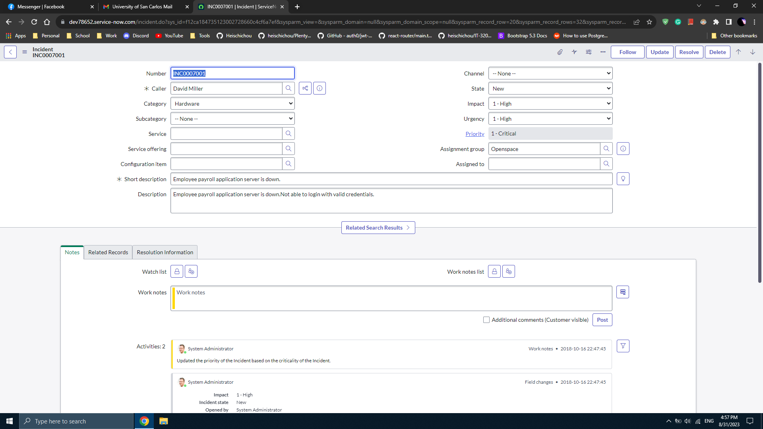
Name: | Jan Michael V. Garot |  | Exercise/Laboratory: | Exercise 01: ServiceNow Basics
Block/Section: | G1 CS5112 |  | Date: | 2023-09-01
Github Repository Link: |  | Answers to the questions in GitHub repository link README

Obtaining a Personal Instance
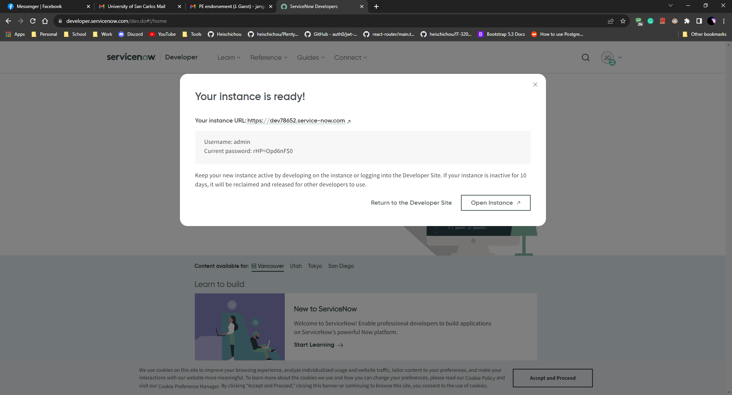

Opening Personal Instance
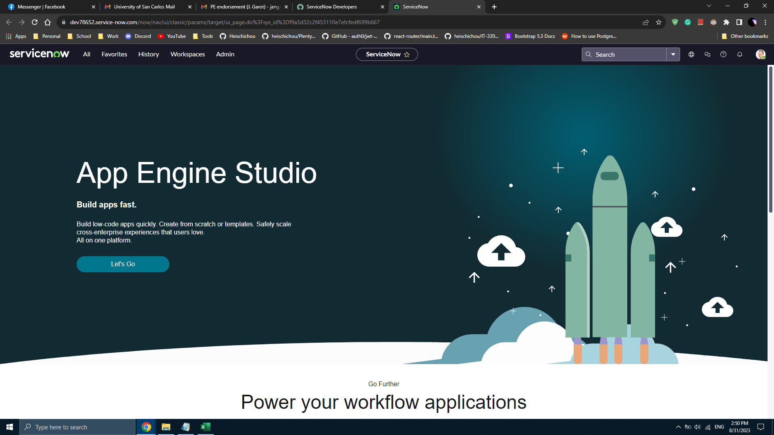

Navigating to Incidents
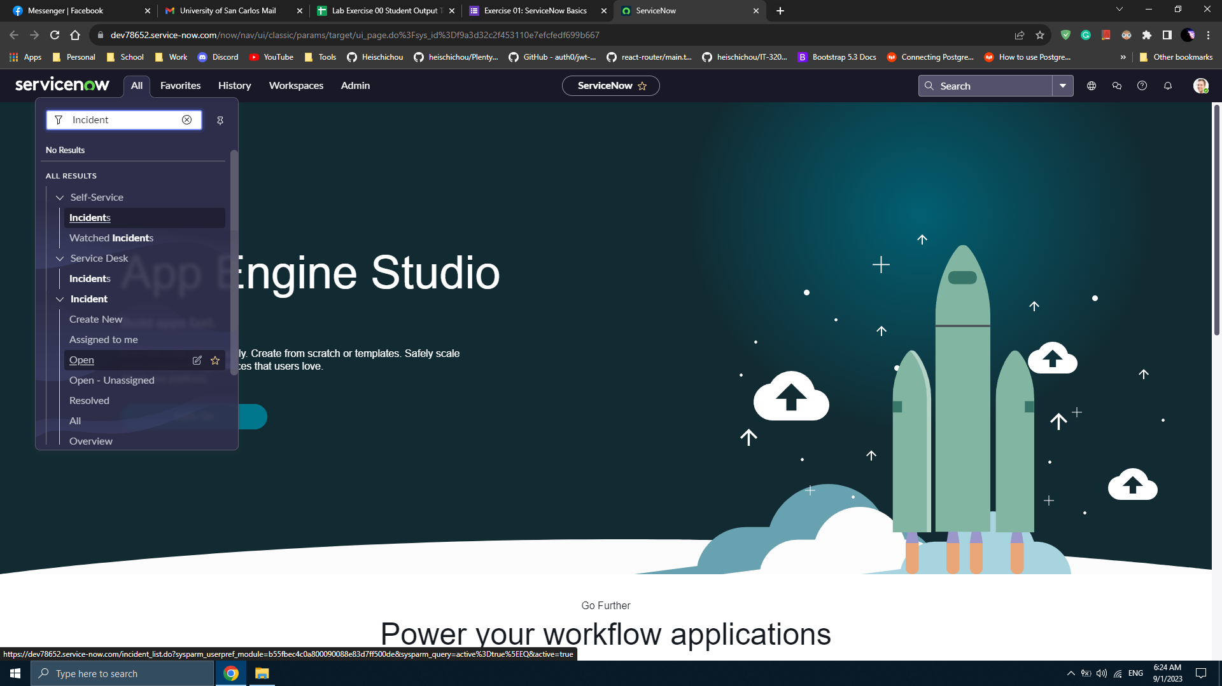

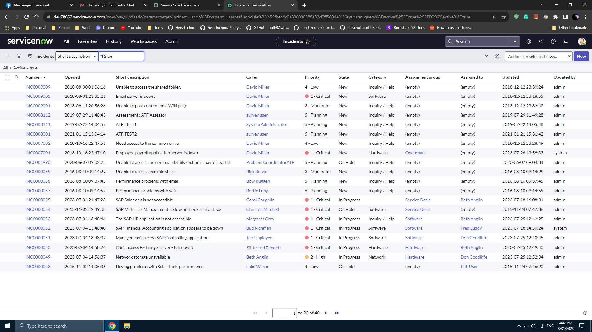

Searching for all Incident records containing the string Down in the Short description field

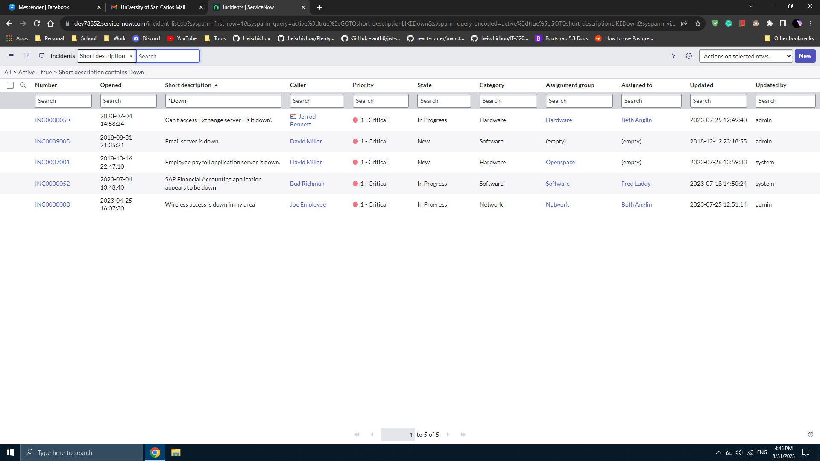

Testing for search case sensitivity


Testing search without asterisk

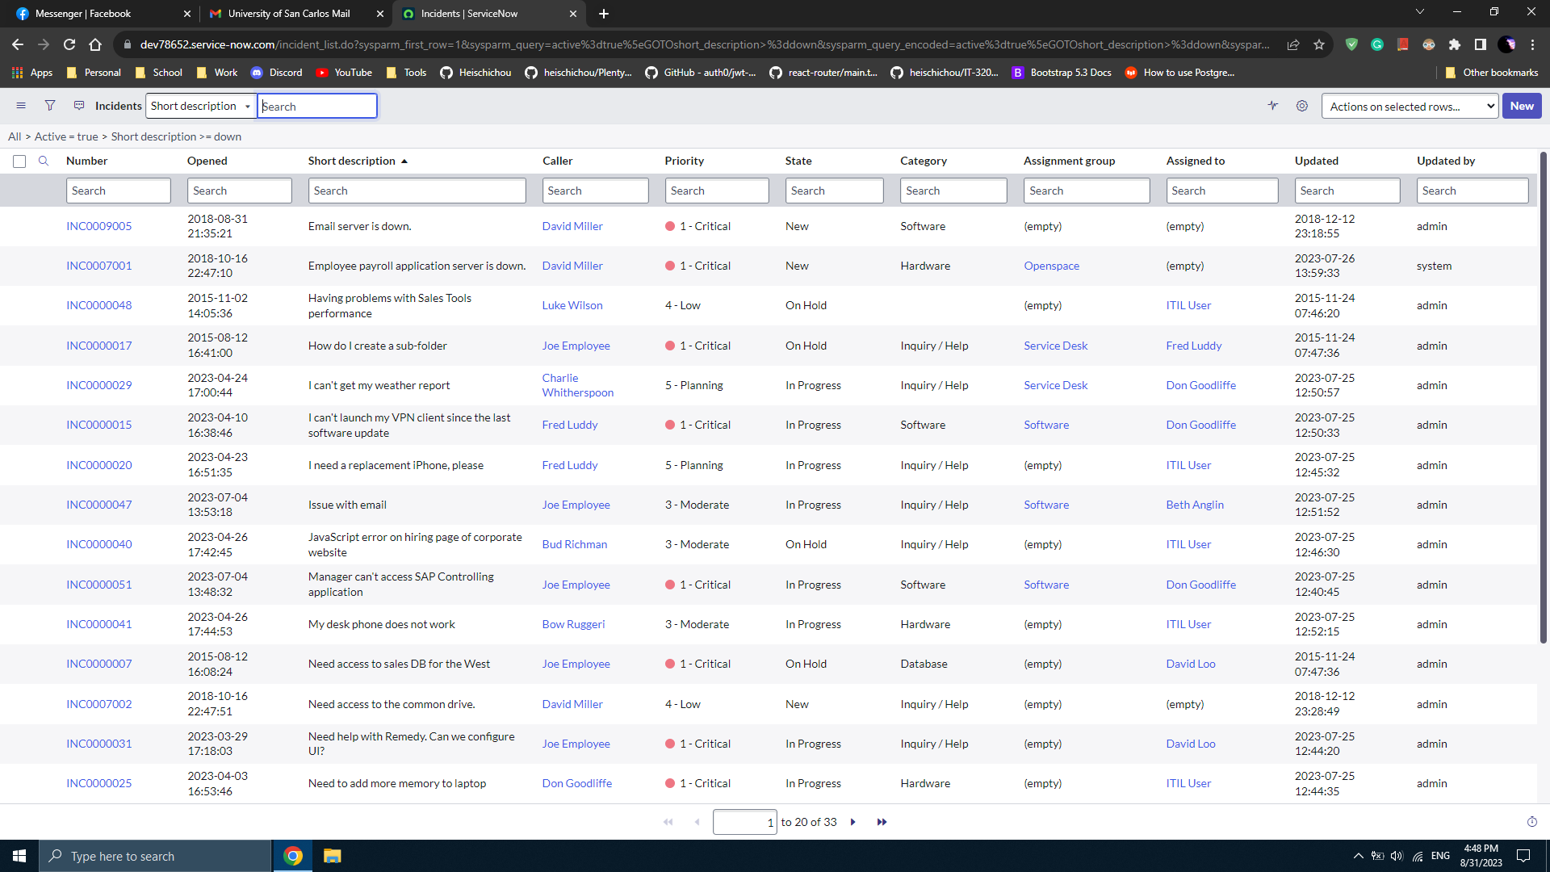

Filtering the records by Category != Network
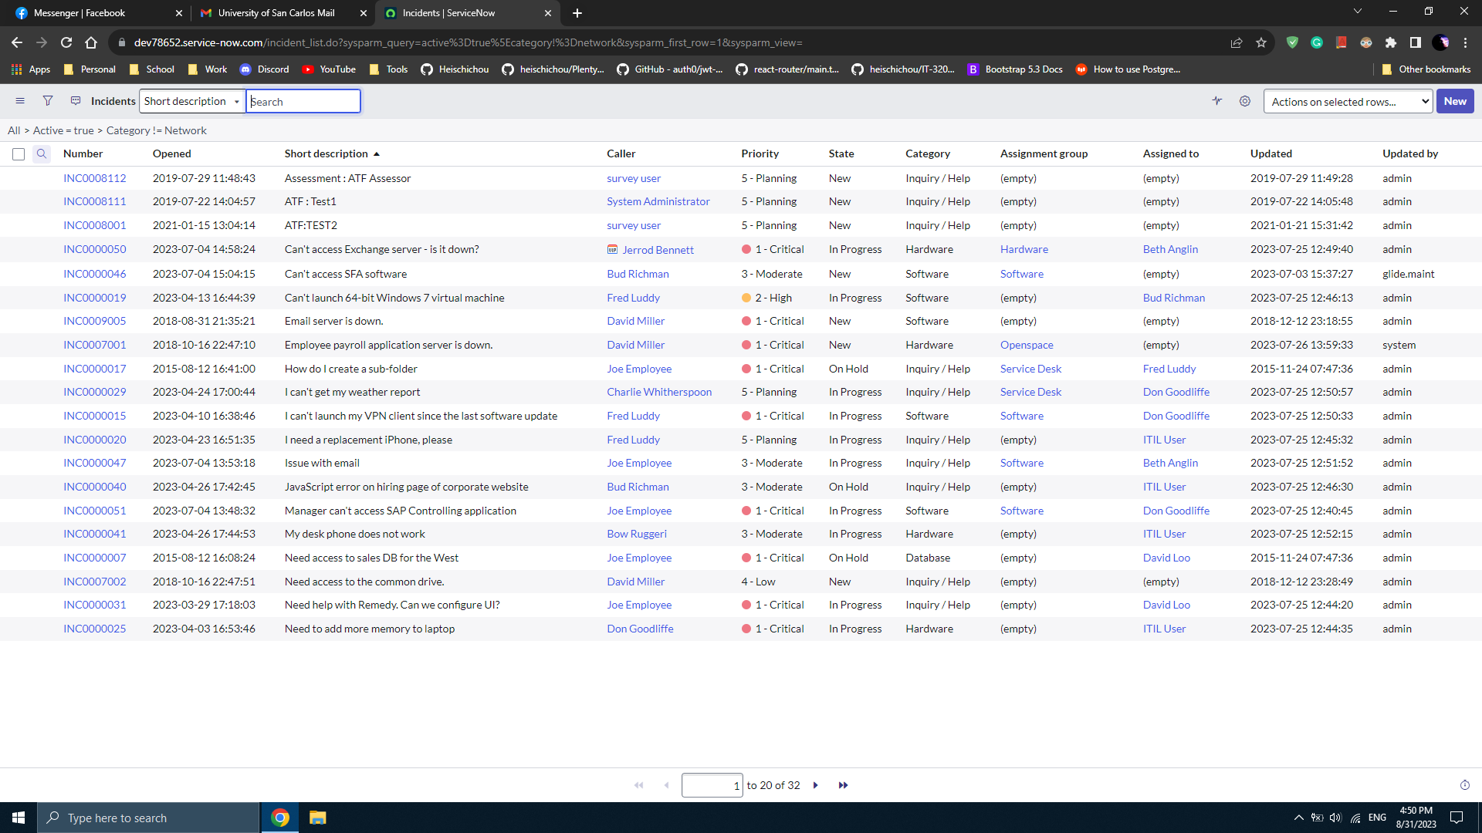

Searching for all filtered Incident records containing the string Down in the Short description field
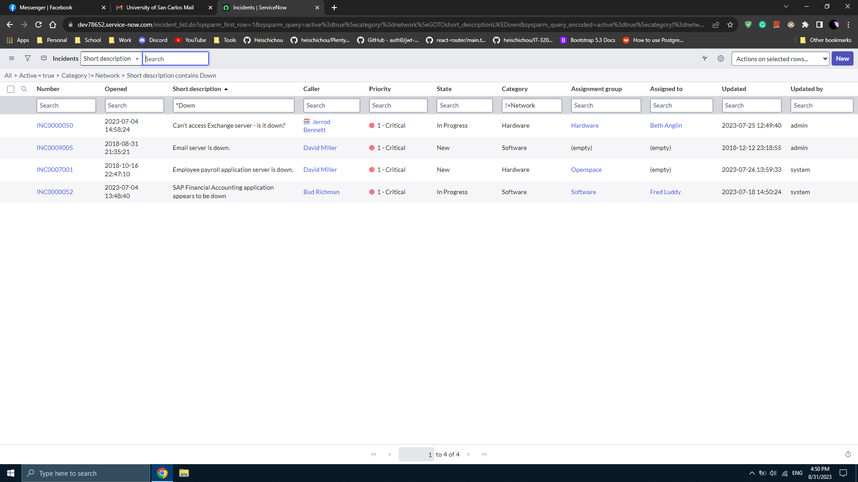

Sorting Incidents by Short description in Descending order
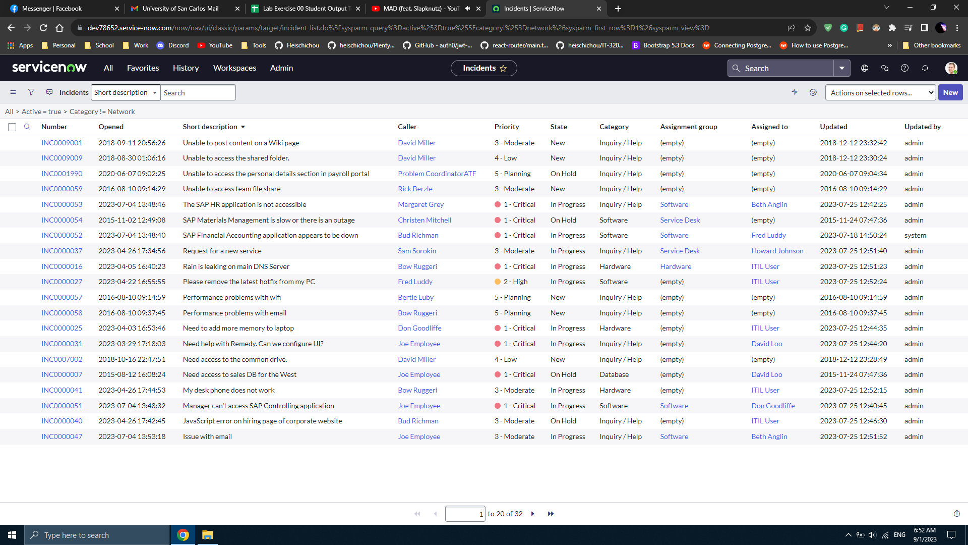

Opening an Incident record



Incident Notes

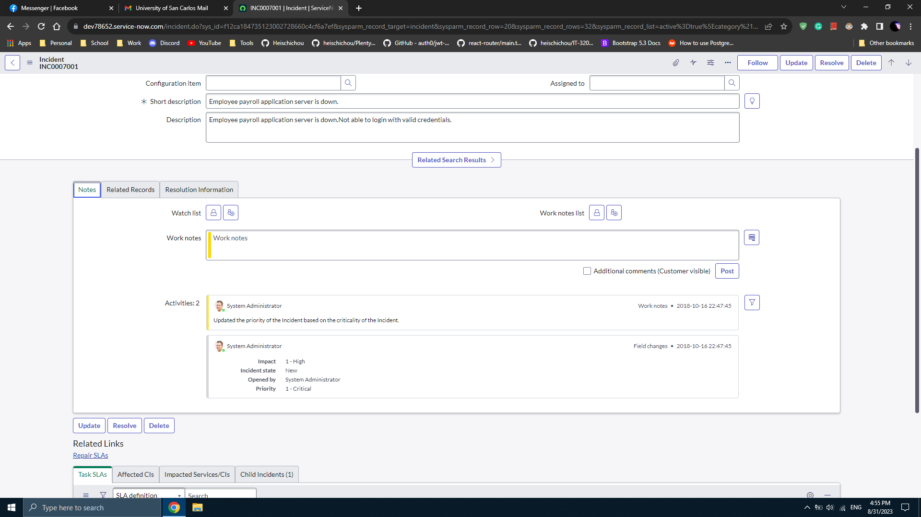

Incident Resolution Information
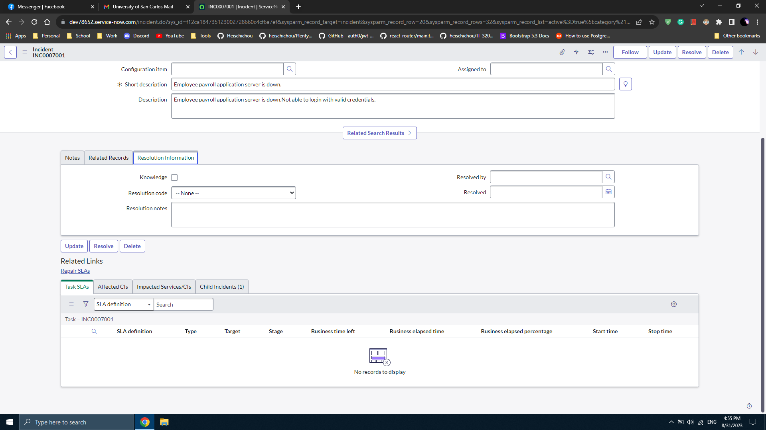

Incident Self-Service View
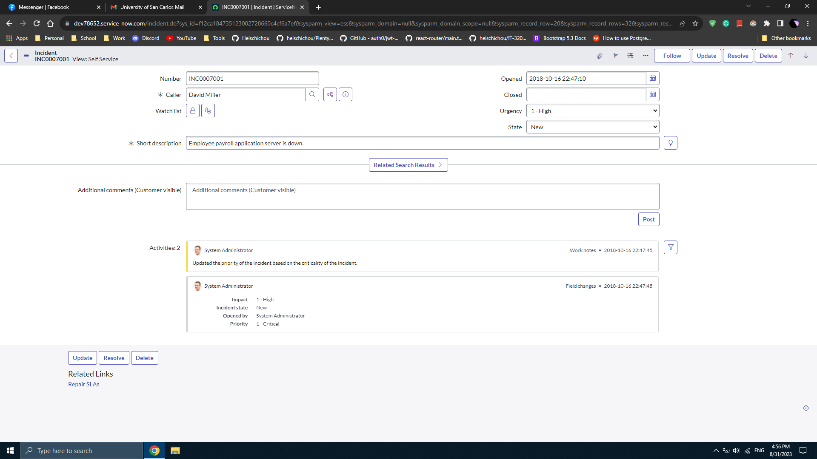

Returning to Default View

